Initial Backup Screen
Initial Backup Screen

Main objective | Perform initial backup to load controller historical data

 | Items | Note | Check
Display item | Screen title | Show "Initial Backup"
 | Method Selection View | Shown when the Initial Backup screen is opened.
 | Download from Controller View | Shown when Download from Controller option (FTP) is selected.
 | Import from Folder View | Shown when Import from Folder option is selected.
Function | Show Download from Controller View when Continue is clicked and Download from Controller (FTP) is selected.
 | Show Import from Folder View when Continue is clicked and Import from Folder is selected.
 | Move to Home screen when all downloads are complete in Download from Controller View.
 | Move to Home screen when import is complete in Import from Folder View.

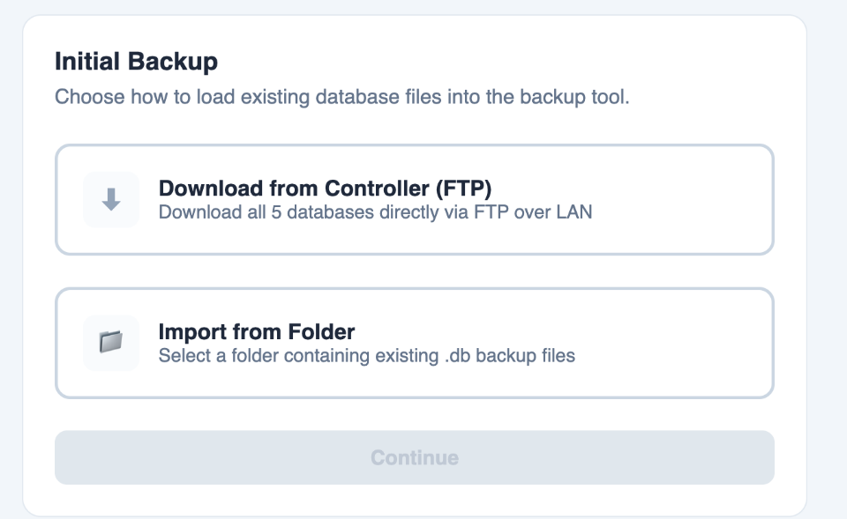
Method Selection View | Allows user to choose the method of load controller historical data
 | Items | Note | Check
Display item | View Title | Show 'Choose how to load historical database files into backup tool.'
 | Download from Controller (FTP) selection tile | Icon: 'Download' Title: 'Download from Controller (FTP)' Description: 'Download all 5 databases from controller'.
 | Import from Folder selection tile | Icon: 'Folder' Title: 'Import from Folder' Description: 'Import existing local database files'.
 | Continue button | Show 'Continue'. Disabled until one selection tile is selected.
Function | Selection tile is selected when selection tile is clicked. | Only one selection tile can be selected at a time.
 | Move to Download from Controller View when Download from Controller tile is selected and continue button is clicked
 | Move to Import from Folder View when Import from Folder tile is selected and continue button is clicked

Download from Controller View | Allows user to select backup storage location and start FTP download.
 | Items | Note | Check
Display item | Backup Storage Path | Shows currently selected backup storage path. Default is current app folder.
 | Browse button | Show 'Browse'.
 | Back button | Show 'Back'. Hidden when download is in progress.
 | Download button | Show 'Download'. Disabled until Backup Storage Path is set.
 | Progress bar | Shows overall FTP download progress (0–100%). Only shown after Download button is clicked.
 | Download Confirmation Dialog | Title: 'Warning' Description: 'All database files in specified folder will be deleted. Is it ok?' Cancel button: 'Cancel' OK button: 'OK'
 | Download Error Dialog | Title: 'Error' Description: 'Download Failed. Do you want to retry?' Cancel button: 'Cancel' OK button: 'OK'
Function | Open folder picker when Browse button is clicked. | Selected path is stored in app and displayed.
 | Controller MAC address subfolder is created inside the backup folder when folder is selected and download button is clicked. | All the database files will be stored inside the corresponding subfolder followed by the controller MAC address.(e.g., [selected folder]/AB-CD-C1-4F-9S/
 | Show Download Confirmation Dialog when Download button is clicked
 | Show Download Error Dialog when download error happened
 | FTP download is started when OK button of Download Confirmation Dialog is clicked. | The folder will be wiped before download.
 | FTP download is started when OK button of Download Error Dialog is clicked. | The folder will be wiped before retry download.
 | Download Confirmation Dialog is dimissed if cancel button is clicked.
 | Download Error Dialog is dimissed if cancel button is clicked.
 | Show Progress bar when FTP download is started.
 | Downloaded database files are stored in Controller MAC address subfolder.
 | Move to Home screen when all downloads are complete.
 | Show Method Selection View when Back button is clicked.

Import from Folder View | Allows user to select source folder and backup storage path, and import local databases files.
 | Items | Note | Check
Display item | Source Folder path | Shows selected source folder path. Empty by default.
 | Source Folder Browse button | Show 'Browse'.
 | Backup Storage Folder Path | Shows currently selected backup storage path. Default is current app folder.
 | Backup Storage Folder Path Browse button | Show 'Browse'.
 | Back button | Show 'Back'.
 | Scan Folder button | Show 'Scan Folder'. Disabled until both Source Folder and Backup Storage Path are set.
 | Database scan result | Each database shows one of two statuses: Found or Not Found. Only shown after Scan Folder is clicked.
 | Import button | Show 'Import All'. Only shown after Scan Folder is clicked. Disabled if one or more databases are Not Found.
Function | Open folder picker when Source Folder Browse button is clicked. | Selected folder path is stored and displayed. Scan Folder button is enabled when both inputs are filled.
 | Open folder picker when Backup Storage Path Browse button is clicked. | Selected path is stored and displayed.
 | Controller MAC address subfolder is created inside the backup folder when folder is selected and import button is clicked. | All the database will be store inside the corresponding subfolder followed by the controller MAC address.(e.g., [selected folder]/AB-CD-C1-4F-9S/
 | Selected source folder is scanned for .db files when Scan Folder button is clicked. | Each of the 5 databases is checked for presence in the selected folder.
 | Show Database scan result after selected folder is scanned. | After scan the folder, each db files will have Found or Not found result.
 | Found databases are copied from source folder to subfolder in backup storage path when Import button is clicked.
 | Move to Home screen when import is complete.
 | Show Method Selection View when Back button is clicked.

Home Screen
Home Screen

Main objective | First page after login. Contains Dashboard, Backup Log, and Settings views via sidebar navigation.
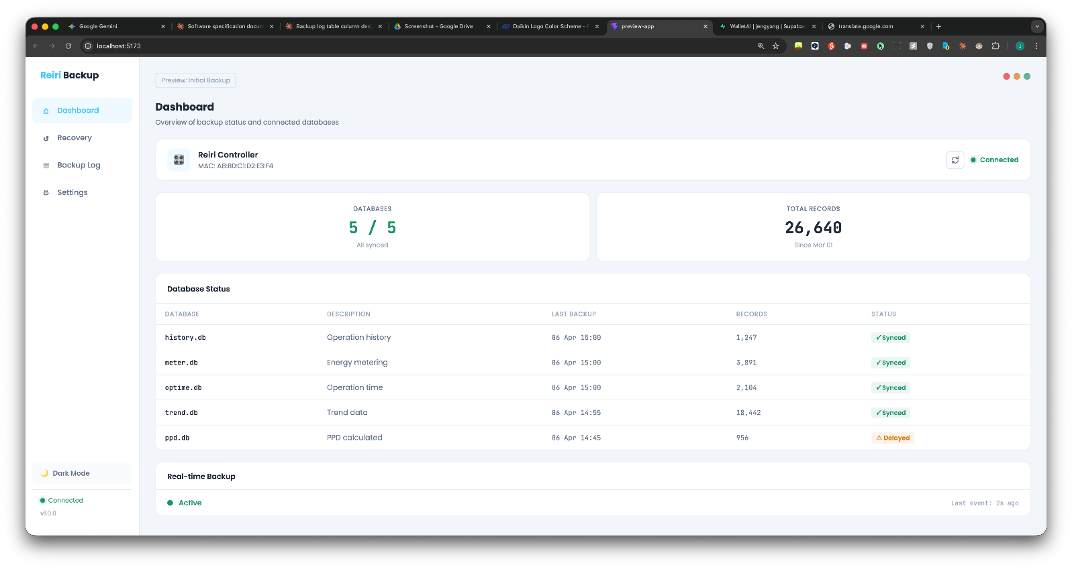
 | Items | Note | Check
Display item | Sidebar navigation menu | Left sidebar with nav button: Dashboard (home icon), Backup Log (list icon), Settings (gear icon). Active button is highlighted.
 | Daikin logo
 | Reiri logo
 | Dashboard navigation button | Icon: "home", label: "Dashboard"
 | Recovery navigation button | Icon: "recovery", label: "Recovery"
 | Backup navigation button | Icon: "list", label: 'Backup Log"
 | Settings navigation button | Icon: "setting", label: "Setting"
 | Dark Mode toggle | Icon: "Moon"/"Sun". Default is light mode.
 | Close App Warning Dialog | Show when user attempt to close the app
Function | Dashboard view is shown when Dashboard navigation button is clicked in sidebar. | Dashboard view is the default view when Home screen is opened.
 | Recovery view is shown when Recovery navigation button is clicked in sidebar.
 | Backup Log view is shown when Backup Log navigation button is clicked in sidebar.
 | Settings view is shown when Settings navigation button is clicked in sidebar.
 | Theme is toggled between light and dark when Dark Mode toggle is clicked. | Theme setting is stored to app storage.
 | Real-time backup starts when Home screen is opened | Real-time backup starts automatically and stores received data to storage folder.
 | Show Close App Warning Dialog if user clicked the exit button

Close App Warning Dialog | Notify users the risk of closing app
 | Items | Note | Check
Display Item | Dialog title | Show 'Keep Backup Running?'
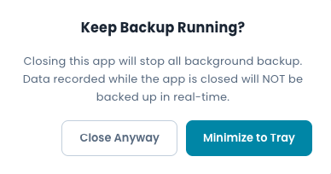
 | Dialog message | Show 'Closing this app will stop all background backup. It is recommended to keep the app running.'
 | Minimize to tray button | Show 'Minimize to Tray'
 | Close button | Show 'Close Anyway'
Function | App is minimized to system tray when minimize to tray button is clicked | App minimized and can be opened back from system tray. All Backup ongoing.
 | Close app Warning Dialog is dismissed | Dialog dismissed. User remains on current screen. No state change.
 | App is terminated entirely when Close Anyway is clicked. | App closed. All backup stopped.

Dashboard View
Dashboard View

Main objective | Monitor controller connection and database backup status.

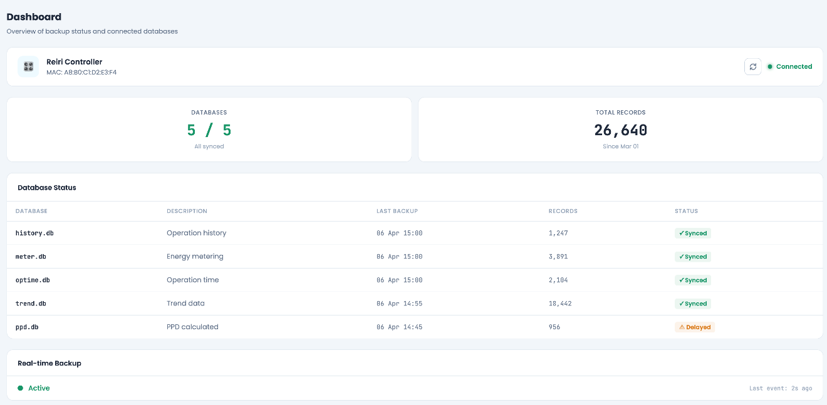
 | Items | Note | Check
Display item | View Title | Show "Dashboard"
 | View Subtitle | Show "Overview of backup status and database"
 | Controller info tile | Show controller name, MAC address, connection status.
 | Summary stat tiles | Show synced databases count (e.g., 5/5), and total backup record count
 | Database status table | Lists all 5 databases with last backup datetime, record count, and status
 | Real-time backup panel | Shows real-time backup status
 | Alert banner | Warning or error banner shown when backup is overdue or storage is inaccessible. Hidden when no issues are detected.
Function | Dashboard view is shown by default when Home Screen is first opened. | Show overview of backup status when user login everytime
 | Dashboard data is refreshed automatically when backup status or connection state changes. | Dashboard data including controller status, Database status table, summary stat tiles and panel data is refreshed.

Controller info tile | Shows controller information.
 | Items | Note | Check
Display item | Controller name | Displays registered controller name
 | Controller MAC address | Displays MAC address of connected controller
 | Refresh button | Icon ''Refresh"
 | Connection status | Show 'Connected' when controller connected Alternate states: 'Reconnecting', 'Disconnected'.
Function | Connection status is updated automatically or trigger manually when refresh button clicked.

Summary stat tiles | Show overview of backup status across all databases.
 | Items | Note | Check
Display item | Databases tile | Title: 'DATABASES' Shows synced DB count as 'X / Y'. Subtitle: 'All synced' or 'X delayed'
 | Total Records tile | Title: 'TOTAL RECORDS' Shows total record count across all DBs Subtitle: 'Since Mon DD' (First date of DB record)
Function | Databases status and total records update automatically. | Databases status and total records are updated automatically when there are changes.

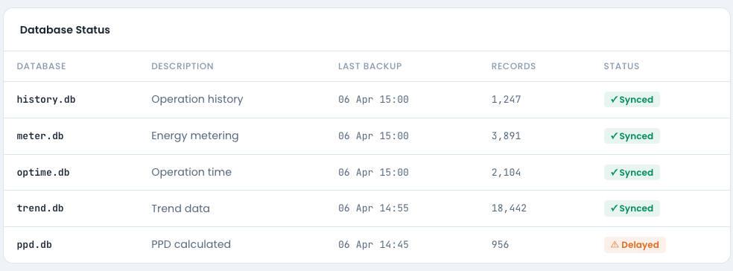
Database status table | Shows each database backup status
 | Items | Note | Check
Display item | Table title | Label: 'Database Status'.
 | Table column headers | Columns: DATABASE | DESCRIPTION | LAST BACKUP | RECORDS | STATUS All caps, small gray text.
 | DATABASE column | Show Database filename (e.g., history.db, meter.db, trend.db).
 | DESCRIPTION column | Show Database description (Operation history, energy metering, operation time, trend data, PPD data)
 | LAST BACKUP column | Data and time of last successful backup of that database. Format: 'DD Mon HH:MM'(e.g. '06 April 15:00')
 | RECORDS column | Total record count in local DB for that database
 | STATUS column | Status badge per database. Three states: Synced — Last backup is within schedule. Delayed — Backup is overdue. Failed — Last backup attempt resulted in error.

Real-time backup panel | Display the real-time backup status
 | Items | Note | Check
Display item | Panel title | Show 'Real-time Backup'
 | Real-time backup status | Show 'Active/Inactive' label
Function | Real-time backup status updates automatically | Show 'Active' when real-time backup ongoing. If controller is disconnected and stop backup, status change to inactive

Alert Banner | Show backup warnings and storage errors
 | Items | Note | Check
Display item | Warning message | Show 'Warning: No successful backup in the last 24 hours.' Hidden when no issues are detected.
 | Storage Error message | Show 'Error: Backup storage path is unavailable. Please check your folder settings.' Hidden when no issues are detected.
Function | Banner and Warning message is shown if no successful backup in last 24 hours.
 | Banner and Error message is shown if backup storage path is inaccessible

Backup Log View
Backup Log View

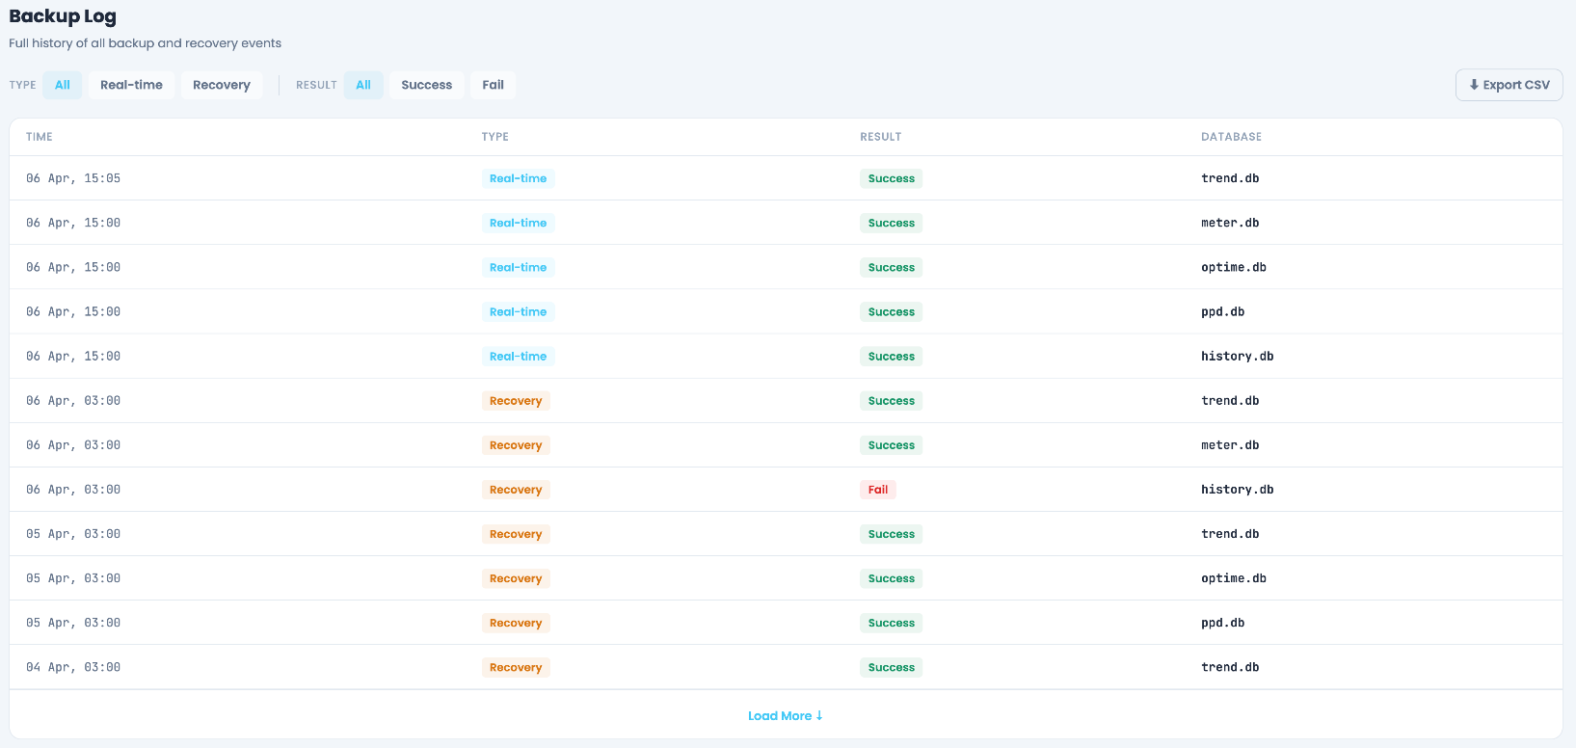
Main objective | Show history of all backup events.

 | Items | Note | Check
Display item | View Title | Show "Backup Log"
 | View Subtitle | Show "Full history of all backup and recovery events"
 | Filter Tab | Show different types and results filter buttons
 | Export CSV button | Show "Export CSV"
 | Backup Log Table | Scrollable list of backup events.

Function | Open folder picker when Export CSV button is clicked.
 | CSV file is saved to selected folder when folder is selected in folder picker | Default filename: 'backup_log_YYYYMMDD_MAC.csv'. Exports: Time, Type, Result, Database columns for all currently filtered entries.

Filter Tab | Provides filtering for the backup log table.
 | Items | Note | Check
Display item | Backup Type Filter tabs | Three filter buttons: 'All' | 'Real-time' |'Recovery' Real-time: real-time push backup Recovery: missing data filled Default selection: 'All'.
 | Result Filter tabs | Three filter buttons: 'All' | 'Success' | 'Fail'. Default selection: 'All'.
Function | Displayed entries are filtered when filter tab is clicked. | Click 'All' → show all entries. Click 'Success' → show only successful backups. Click 'Fail' → show only failed backups. Click 'Real-time' → show only real-time backups. Click 'Recovery' → show only recovery data backups. Click 'Fail' and 'Recovery' → show only fail and recovery data backups. Filter applies immediately without page reload.

Backup Log Table | Displays individual backup event records.
 | Items | Note | Check
Display item | Table column headers | Show Columns: TIME | TYPE | RESULT | DATABASE
 | TIME column | Show Date and time of backup event. Format: 'DD Mon, HH:MM' (e.g., '06 Apr, 15:00').
 | TYPE column | Show 'Recovery' or 'Real-time'
 | RESULT column | Show 'Success' or 'Fail'
 | DATABASE column | Show the database file of the row record
 | Load More button | Show 'Load More'
 | No records found message | Show: 'No backup records found.'
Function | Next 20 entries are appended to the table when Load More is clicked. | If no more entries, button is hidden.

Settings View
Settings View

Main objective | Configure backup storage path, language, startup behavior settings

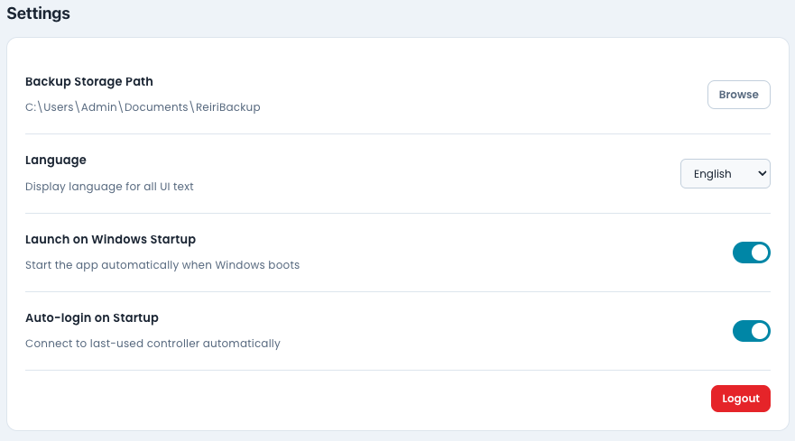
 | Items | Note | Check
Display Item | View Title | Show "Settings"
 | View Subtitle | Show "Configure backup preferences and connection"
 | Backup Storage Setting Title | Show "Backup Storage Path"
 | Backup Storage path label | Show the currently configured backup storage path.
 | Browse button | Show "Browse'"
 | Change backup storage path warning dialog | Title: 'Warning' Description: 'Please copy all the existing files to the new folder' Cancel button: 'Cancel' OK button: 'OK'
 | Language Setting Title | Show "Language"
 | Language description | Show "Display language for all UI text"
 | Language dropdown | Shows currently selected language. Options: English, Português(Brasil), Español, Tiếng Việt, ไทย, Bahasa(Indonesia), 中文(简体字), 中文(繁體字 香港), 中文(繁體字 台灣), 日本語 Default: English.
 | Launch on Windows Setting Title | Show "Launch on Windows Startup"
 | Launch on Windows Setting description | Show "Start the app automatically when Windows boots"
 | Launch on Windows Setting Toggle switch | Default: On.
 | Auto-login on Startup Setting Title | Show "Auto-login on Startup"
 | Auto-login on Startup Setting description | Show "Skip login screen and connect automatically using saved credentials."
 | Auto-login on Startup Setting Toggle switch | Default: On.
 | Logout button | Show "Logout"
 | Logout Warning Dialog | Refer to table below
Function | Show Change backup storage path warning dialog when browse button is clicked.
 | Open folder picker when ok button of Change backup storage path warning dialog is clicked . | Selected path is saved immediately and shown in the path label. If path is invalid, show error: 'The selected folder is not accessible.'
 | UI text is updated when language is selected from dropdown. | Select language from dropdown → all UI text updates immediately via StringTable.json. State is saved to app.
 | Windows startup behavior is controlled by Launch on Windows Startup toggle. | Toggle On → registers app with Windows startup. Toggle Off → removes app from Windows startup. State is saved to app.
 | Auto-login behavior is controlled by Auto-login on Startup toggle. | Toggle On → skip login screen and connect automatically when app is launched. Toggle Off → login screen is shown when app is launched. State is saved to app.
 | Open logout confirmation dialog when Logout is clicked. | Click 'Logout' → show Logout Warning dialog

Logout Warning Dialog | Show warning dialog content to notify users the risk of logging out
 | Items | Note | Check
Display Item | Dialog title | Show 'Stop Backup?'
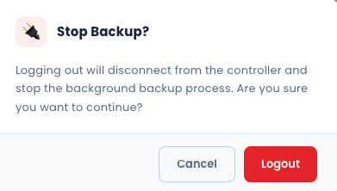
 | Dialog message | Show 'Logging out will disconnect from the controller and stop the background backup process. Are you sure you want to continue?'
 | Cancel Button | Show 'Cancel'
 | Logout button | Show 'Logout'
Function | Logout Dialog is dismissed when Cancel button is clicked. | Dialog dismissed. User remains on current screen. No state change.
 | Moves to Login screen when Logout button is clicked. | Account logout and app navigates to Login screen. All saved credentials remain stored (user can log back in). Controller connection is closed and real-time backup is stopped.

